Reward means
Calculating Mean Metrics:

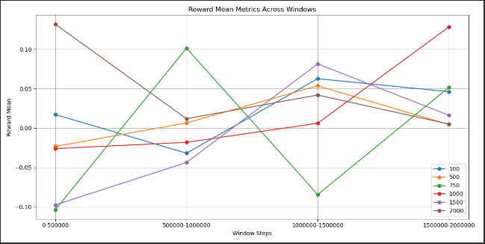
Window Mean Table:
100 500 750 1000 1500 2000
0-500000 0.017141 -0.023253 -0.103600 -0.026043 -0.097420 0.131620
500000-1000000 -0.031869 0.006483 0.101327 -0.018111 -0.043673 0.011795
1000000-1500000 0.062597 0.053638 -0.084301 0.006082 0.081356 0.041888
1500000-2000000 0.046136 0.004377 0.051503 0.128136 0.016206 0.005094

Performing ANOVA test for Means:
ANOVA Results: F-statistic = 0.4286, P-value = 0.8227
No significant difference between groups.

Ranking Groups for Means:

Best Overall Group: 2000 with Points = 16 and Average Value = 0.0476

Performing Pairwise T-Tests for Means:

Pairwise T-Tests for Means:
{'Comparison': '2000 vs 100', 'T-statistic': 0.6742662909661267, 'P-value': 0.527851243438021, 'Significant': False}
{'Comparison': '2000 vs 500', 'T-statistic': 1.1228209466133052, 'P-value': 0.3161057156276556, 'Significant': False}
{'Comparison': '2000 vs 750', 'T-statistic': 0.9686767212450299, 'P-value': 0.37890587393776826, 'Significant': False}
{'Comparison': '2000 vs 1000', 'T-statistic': 0.5429095839803338, 'P-value': 0.6075494173069443, 'Significant': False}
{'Comparison': '2000 vs 1500', 'T-statistic': 1.2109874080554726, 'P-value': 0.2746355792885133, 'Significant': False}

The group '2000' is NOT statistically significantly better than all other groups for Means.

Plotting Mean Metrics:

Reward slopes
Calculating Slope Metrics:

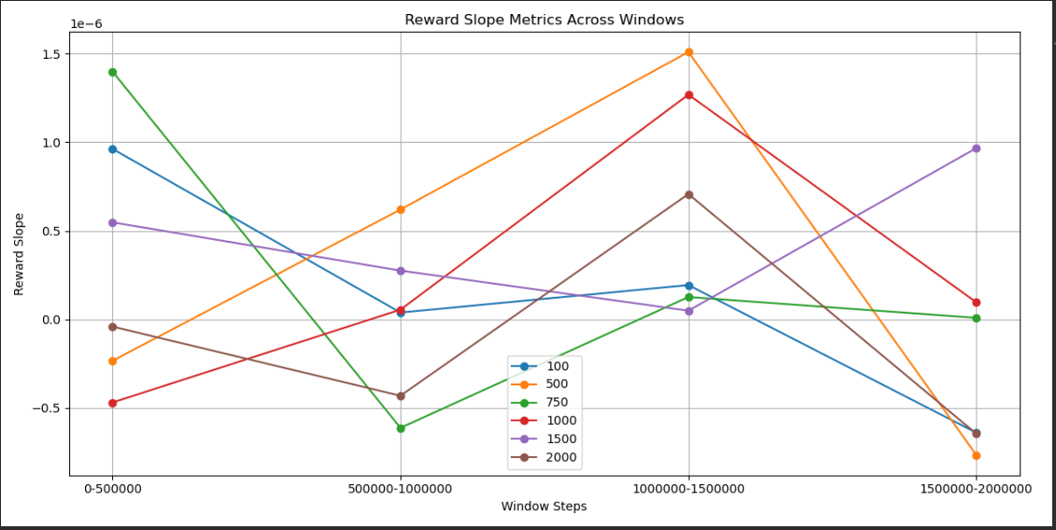
Window Slope Table:
100 500 750 1000 1500 2000
0-500000 9.629198e-07 -2.333478e-07 1.399261e-06 -4.684683e-07 5.483308e-07 -4.021193e-08
500000-1000000 3.897090e-08 6.203891e-07 -6.117862e-07 5.518546e-08 2.757298e-07 -4.304693e-07
1000000-1500000 1.940799e-07 1.509392e-06 1.265705e-07 1.269081e-06 4.963969e-08 7.079468e-07
1500000-2000000 -6.394656e-07 -7.654910e-07 9.006324e-09 9.644117e-08 9.672721e-07 -6.452882e-07

Performing ANOVA test for Slopes:
ANOVA Results: F-statistic = 0.2582, P-value = 0.9300
No significant difference between groups.

Ranking Groups for Slopes:

Best Overall Group: 1500 with Points = 16 and Average Value = 0.0000

Performing Pairwise T-Tests for Slopes:

Pairwise T-Tests for Slopes:
{'Comparison': '1500 vs 100', 'T-statistic': 0.837212705660994, 'P-value': 0.4412831865011971, 'Significant': False}
{'Comparison': '1500 vs 500', 'T-statistic': 0.33099096941381256, 'P-value': 0.7575962821027833, 'Significant': False}
{'Comparison': '1500 vs 750', 'T-statistic': 0.49273865841561576, 'P-value': 0.6465574928803988, 'Significant': False}
{'Comparison': '1500 vs 1000', 'T-statistic': 0.5332613152651441, 'P-value': 0.6185813350104566, 'Significant': False}
{'Comparison': '1500 vs 2000', 'T-statistic': 1.5744241712013685, 'P-value': 0.17384986205741834, 'Significant': False}

The group '1500' is NOT statistically significantly better than all other groups for Slopes.

Plotting Slope Metrics:

ELO means
Calculating Mean Metrics:

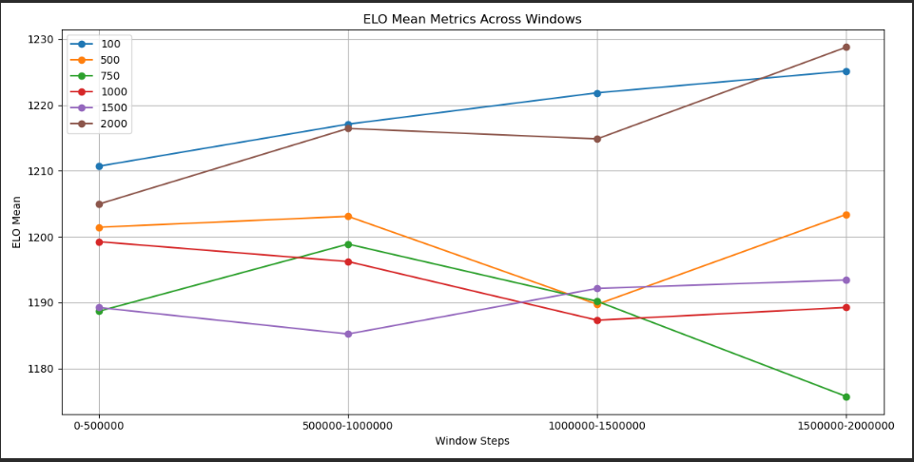
Window Mean Table:
100 500 750 1000 1500 2000
0-500000 1210.714836 1201.444351 1188.685918 1199.248438 1189.252115 1204.963648
500000-1000000 1217.098691 1203.098633 1198.885649 1196.236353 1185.232971 1216.446379
1000000-1500000 1221.856472 1189.742085 1190.196958 1187.330327 1192.153882 1214.860266
1500000-2000000 1225.167640 1203.397231 1175.741414 1189.268711 1193.433013 1228.790237

Performing ANOVA test for Means:
ANOVA Results: F-statistic = 13.6668, P-value = 0.0000
There is a significant difference between groups.

Ranking Groups for Means:

Best Overall Group: 100 with Points = 23 and Average Value = 1218.7094

Performing Pairwise T-Tests for Means:

Pairwise T-Tests for Means:
{'Comparison': '100 vs 500', 'T-statistic': 4.2668644552882204, 'P-value': 0.005297371859233141, 'Significant': True}
{'Comparison': '100 vs 750', 'T-statistic': 5.309570542443899, 'P-value': 0.0028412575296199475, 'Significant': True}
{'Comparison': '100 vs 1000', 'T-statistic': 6.08727600746754, 'P-value': 0.0009315611112821891, 'Significant': True}
{'Comparison': '100 vs 1500', 'T-statistic': 7.911355866319485, 'P-value': 0.0006186875265938912, 'Significant': True}
{'Comparison': '100 vs 2000', 'T-statistic': 0.4208808242498366, 'P-value': 0.6909465623617167, 'Significant': False}

The group '100' is NOT statistically significantly better than all other groups for Means.

Plotting Mean Metrics:

ELO slopes
Calculating Slope Metrics:
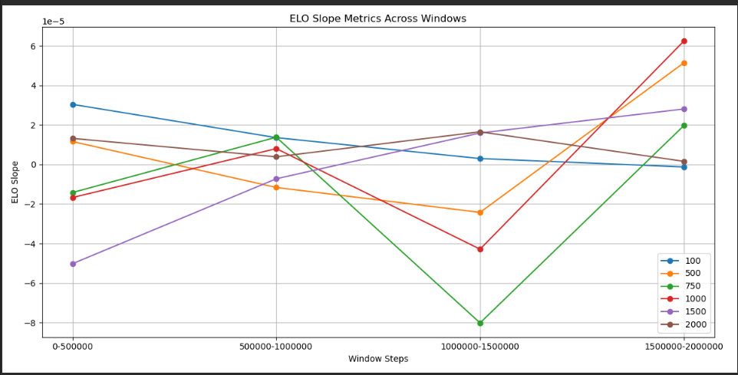
Window Slope Table:
100 500 750 1000 1500 2000
0-500000 0.000030 0.000012 -0.000014 -0.000017 -0.000050 0.000013
500000-1000000 0.000014 -0.000012 0.000014 0.000008 -0.000007 0.000004
1000000-1500000 0.000003 -0.000024 -0.000080 -0.000043 0.000016 0.000017
1500000-2000000 -0.000001 0.000051 0.000020 0.000062 0.000028 0.000002

Performing ANOVA test for Slopes:
ANOVA Results: F-statistic = 0.3493, P-value = 0.8760
No significant difference between groups.

Ranking Groups for Slopes:

Best Overall Group: 100 with Points = 16 and Average Value = 0.0000

Performing Pairwise T-Tests for Slopes:

Pairwise T-Tests for Slopes:
{'Comparison': '100 vs 500', 'T-statistic': 0.25751175850921276, 'P-value': 0.8093520068024281, 'Significant': False}
{'Comparison': '100 vs 750', 'T-statistic': 1.1143126290459207, 'P-value': 0.3345718910221176, 'Significant': False}
{'Comparison': '100 vs 1000', 'T-statistic': 0.3704437598237712, 'P-value': 0.7318772898598331, 'Significant': False}
{'Comparison': '100 vs 1500', 'T-statistic': 0.7939587667995655, 'P-value': 0.47191095807214883, 'Significant': False}
{'Comparison': '100 vs 2000', 'T-statistic': 0.3332664594623184, 'P-value': 0.7540146944007033, 'Significant': False}

The group '100' is NOT statistically significantly better than all other groups for Slopes.

Plotting Slope Metrics:

Entropy Means
Calculating Mean Metrics:

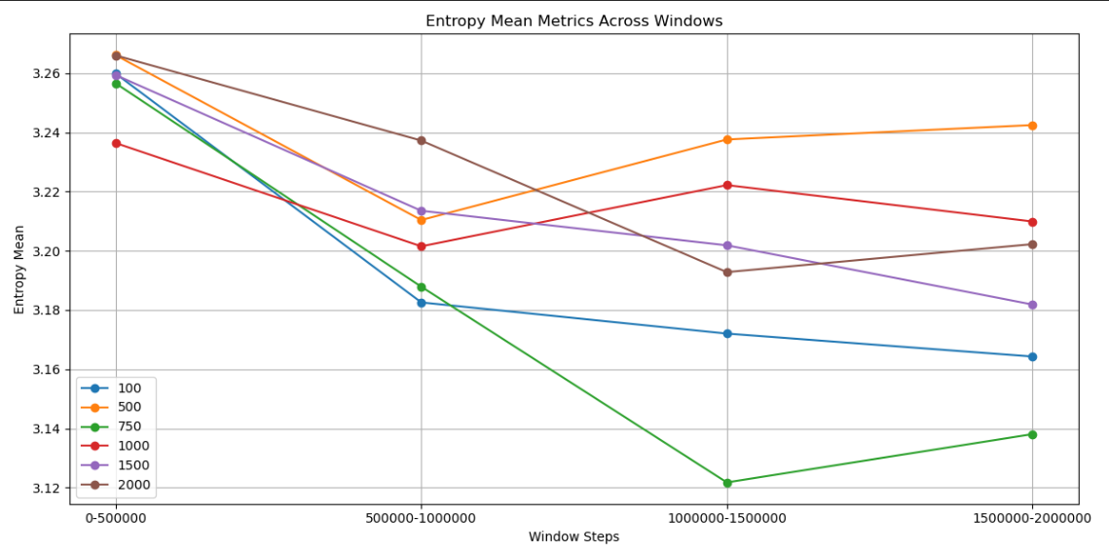
Window Mean Table:
100 500 750 1000 1500 2000
0-500000 3.259900 3.266131 3.256609 3.236426 3.259415 3.266048
500000-1000000 3.182579 3.210405 3.187881 3.201535 3.213541 3.237260
1000000-1500000 3.172037 3.237625 3.121747 3.222215 3.201866 3.192811
1500000-2000000 3.164283 3.242505 3.138058 3.209918 3.181865 3.202267

Performing ANOVA test for Means:
ANOVA Results: F-statistic = 1.4072, P-value = 0.2687
No significant difference between groups.

Ranking Groups for Means:

Best Overall Group: 750 with Points = 22 and Average Value = 3.1761

Performing Pairwise T-Tests for Means:

Pairwise T-Tests for Means:
{'Comparison': '750 vs 100', 'T-statistic': -0.4969257178261088, 'P-value': 0.6385338460673096, 'Significant': False}
{'Comparison': '750 vs 500', 'T-statistic': -1.9478703500844345, 'P-value': 0.1262762481518267, 'Significant': False}
{'Comparison': '750 vs 1000', 'T-statistic': -1.3266115188814909, 'P-value': 0.2672502699941091, 'Significant': False}
{'Comparison': '750 vs 1500', 'T-statistic': -1.1050000068517718, 'P-value': 0.32330671869837707, 'Significant': False}
{'Comparison': '750 vs 2000', 'T-statistic': -1.4002615394752074, 'P-value': 0.2240561957449309, 'Significant': False}

The group '750' is NOT statistically significantly better than all other groups for Means.

Plotting Mean Metrics:

Entropy slopes
Calculating Slope Metrics:

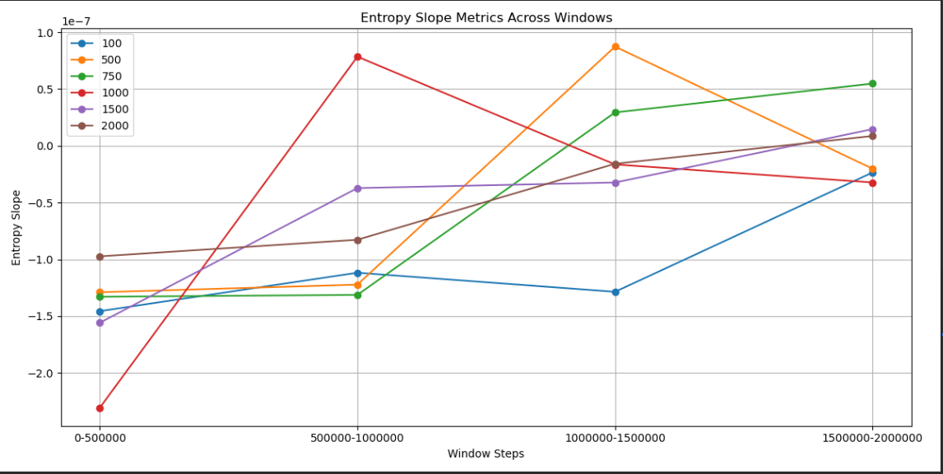
Window Slope Table:
100 500 750 1000 1500 2000
0-500000 -1.456072e-07 -1.289438e-07 -1.329392e-07 -2.306865e-07 -1.558226e-07 -9.735068e-08
500000-1000000 -1.117614e-07 -1.222604e-07 -1.312698e-07 7.848443e-08 -3.722737e-08 -8.273231e-08
1000000-1500000 -1.285692e-07 8.735254e-08 2.937446e-08 -1.641836e-08 -3.235192e-08 -1.582779e-08
1500000-2000000 -2.344123e-08 -2.020082e-08 5.478975e-08 -3.230436e-08 1.465785e-08 8.648857e-09

Performing ANOVA test for Slopes:
ANOVA Results: F-statistic = 0.2472, P-value = 0.9358
No significant difference between groups.

Ranking Groups for Slopes:

Best Overall Group: 100 with Points = 19 and Average Value = -0.0000

Performing Pairwise T-Tests for Slopes:

Pairwise T-Tests for Slopes:
{'Comparison': '100 vs 500', 'T-statistic': -0.9754771010047998, 'P-value': 0.37797559111272294, 'Significant': False}
{'Comparison': '100 vs 750', 'T-statistic': -0.9988171816441245, 'P-value': 0.36746422912307125, 'Significant': False}
{'Comparison': '100 vs 1000', 'T-statistic': -0.7402718405486539, 'P-value': 0.5000306631159185, 'Significant': False}
{'Comparison': '100 vs 1500', 'T-statistic': -1.0945872893608752, 'P-value': 0.31883667005962996, 'Significant': False}
{'Comparison': '100 vs 2000', 'T-statistic': -1.4861114032234994, 'P-value': 0.18796947789802562, 'Significant': False}

The group '100' is NOT statistically significantly better than all other groups for Slopes.

Plotting Slope Metrics:

